Sheet1
EXCERPTS SHOWING EXAMPLES OF fB1w EVENTS

c8=BGSS expt4_062817_8-wild clean.WDQ |  |  |  | tbf 10230.770 |  | Chan. 3

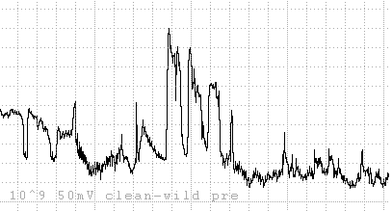

 |  |  |  |  |  |  | noisy DC version!

d8=BGSS expt4_062817_rep8-wild inf.WDQ |  |  |  | tbf 20510.37 |  | Chan. 5 |  | Very noisy but more variable on top of plateau than earlier.

 |  |  |  |  |  |  |  |  |  |  |  |  |  | noisy DC version!

d9=BGSS expt4_0652917_rep9-wild inf.WDQ |  |  |  | tbf 32170.47 |  | Chan 1

 |  |  |  |  |  |  |  |  |  |  | noisy DC version!

b9=BGSS expt4_062917_rep9-gr inf.WDQ |  |  |  | tbf 14910.09 |  | Chan 3
Xe-1
12-16 Hz
Xe-2
12-16 Hz
Xe-3
Xe-4
9-12 Hz
N
fB1w
XB1 (or XN)
XC1
XC2

Xe-4
7-9 Hz

SAME |  |  |  | tbf 16334.91

fB1w
Xe-4

BGS Expt4_062917_rep9 - wild clean.wdq |  |  |  | tbf 3715.98 |  |  | Chan 5

Xc
Xe-1
Xi
Xe-2
B
Xe-2
N
B
Xi

XC1
XB1

XC2
fB1w
fB1w
XB1
XC2
XB1

BGSS Expt4_070817_rep12-wild inf.WDQ |  |  |  | tbf 976.72 |  |  | Chan 2

SAME |  |  | tbf 2108.39 |  |  |  | Chan 2

SAME |  |  | tbf 5400.11 |  |  |  | Chan 2

BGSS expt4_070817_rep12-gr infec.WDQ |  |  |  | TBF 2081.9 |  |  | Chan 6 |  |  | compr 6; 1.2 sec/div |  |  | longest XN's (two)

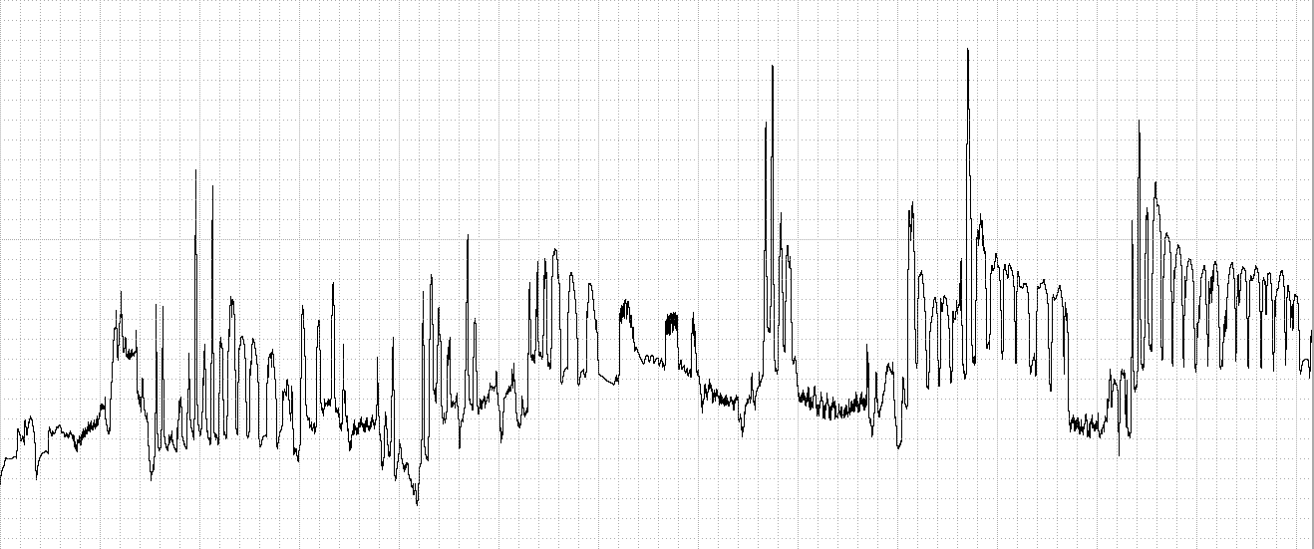

8
11

12
13
11
12
11

SAME |  |  | tbf 5839.14 |  |  |  | Chan 6 |  | fB1w interspersed throughout XB1

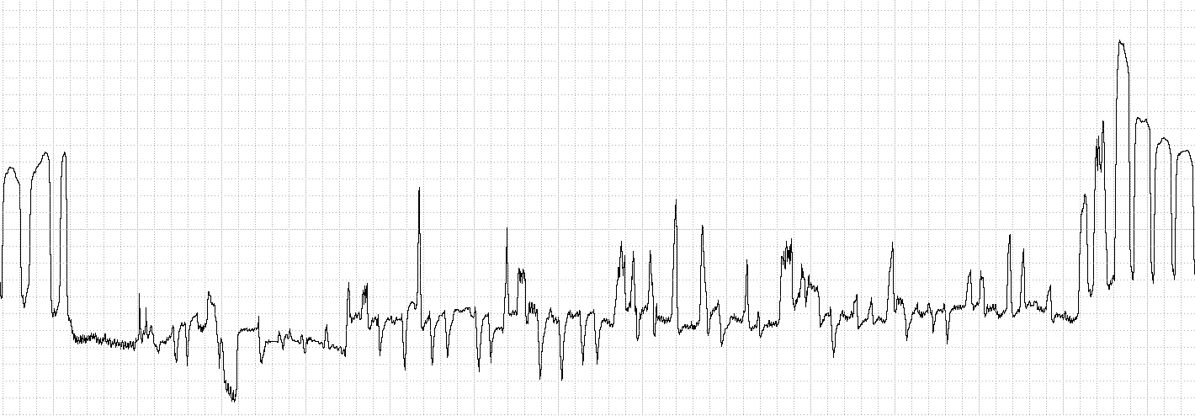

SAME |  |  |  | TBF 8470.47 |  |  |  | Chan 6 |  |  |  | Where do you draw the line between D and F???

5
5
9
8
9
10
14
5
6
6
6

13
12
13

BGSS expt4_061917_rep1-wild infec.WDQ |  |  |  |  | TBF35542.240 |  |  | Chan 4 |  |  |  | An unusual case of F2

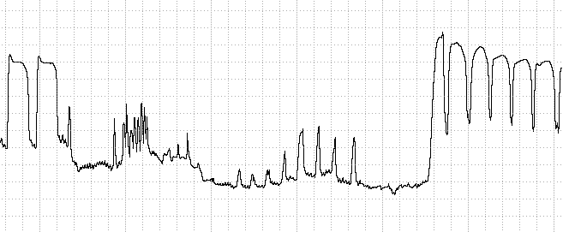

F2

SAME |  |  |  |  | tbf 13099.57 |  |  | Chan 4 |  | An

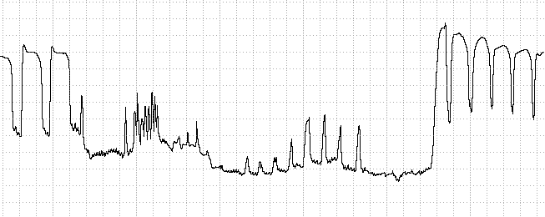

bgs EXPT4_062617_REP6.wdq |  |  |  | tbf 13586.880 |  |  | Chan 2

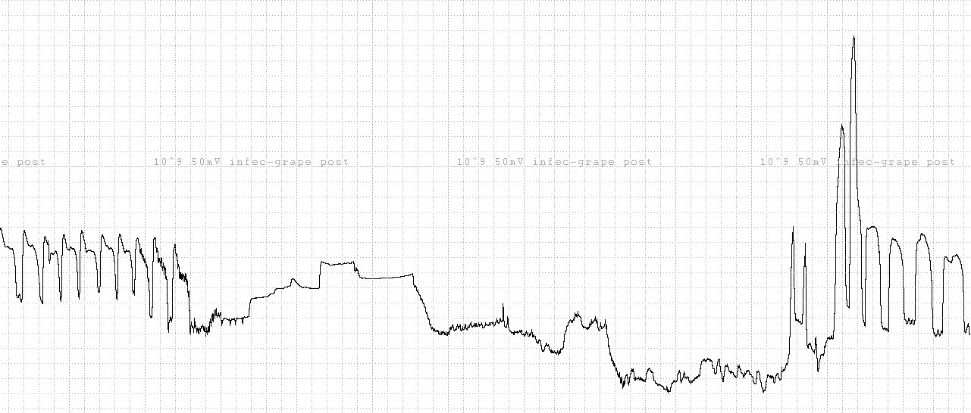

BGSS ex[t4-062917_17.WDQ |  |  | tbf 31270.290 |  |  | Chan 6 |  |  | weird, highly repetitive behavior |  |  | F2-B-C-B, repeat |  | This behavior was continuously performed from tbf31020 to tbf39571.240 (8551 sec or 3.3 hours)!
 |  |  |  |  |  |  |  |  |  |  |  |  |  |  |  | It was only measure to tbf 36000

BGSS expt4_062417_rep5.WDQ |  |  |  |  | tbf 1191.660 |  |  |  | chan 4 |  |  | Long F2-FB-B sequence with lots of peaks

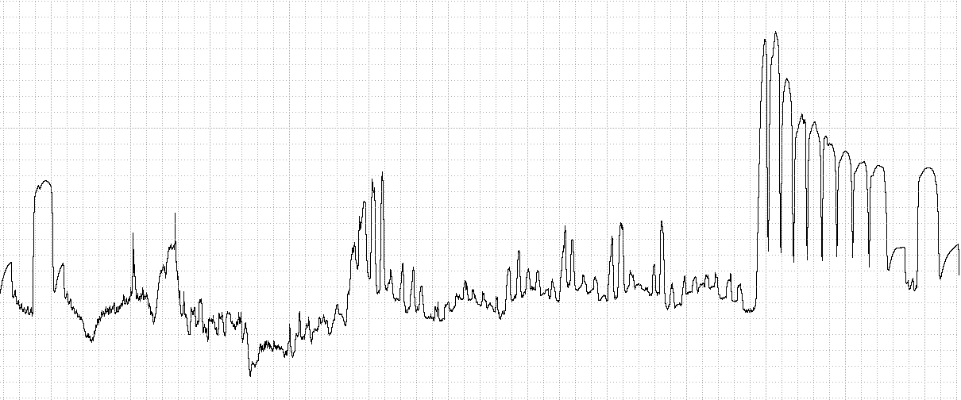

BGSS expt4_071217_rep15.WDQ |  |  |  |  | TBF 3884.11 |  | Compr 20, 4.00 sec/div

 |  | Excellent example of how an insect "cleared out" its forgut with lots of C1 peaks before settling into X waves evolving into normal-looking, high-frequency C2 peaks for a long duration. |  |  |  |  |  |  |  |  |  |  |  |  | Only one XN occurred after this.

BGSS expt4_01517_rep18.WDQ |  |  |  | chan 4 |  | TBF6372.630 |  |  | compr 20; 4 sec/div

 | COME BACK AND EXCERPT MORE!!! |  |  |  | A remarkable series of 20 X waves!!

